Entrance
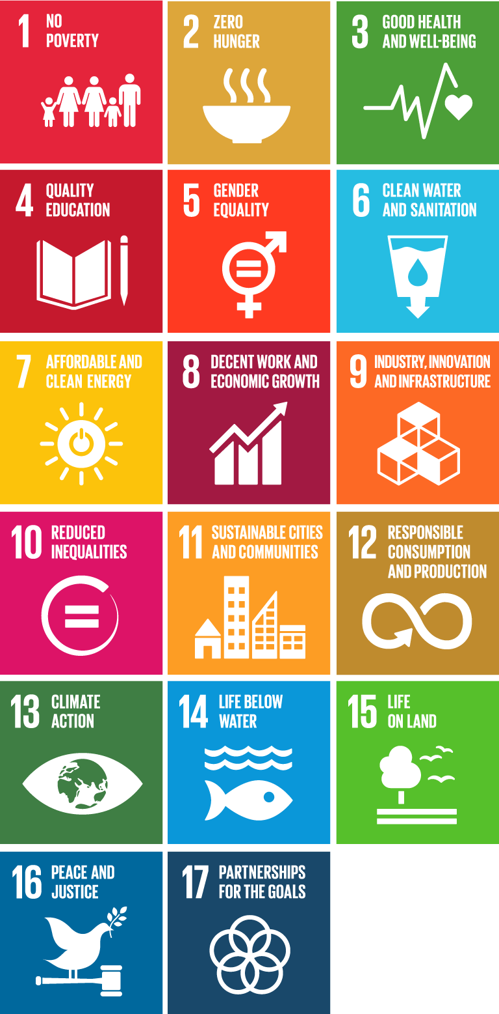

COLCX TOOL FOR REPORTING CONTRIBUTIONS TO THE SDG´s

Version 1.1

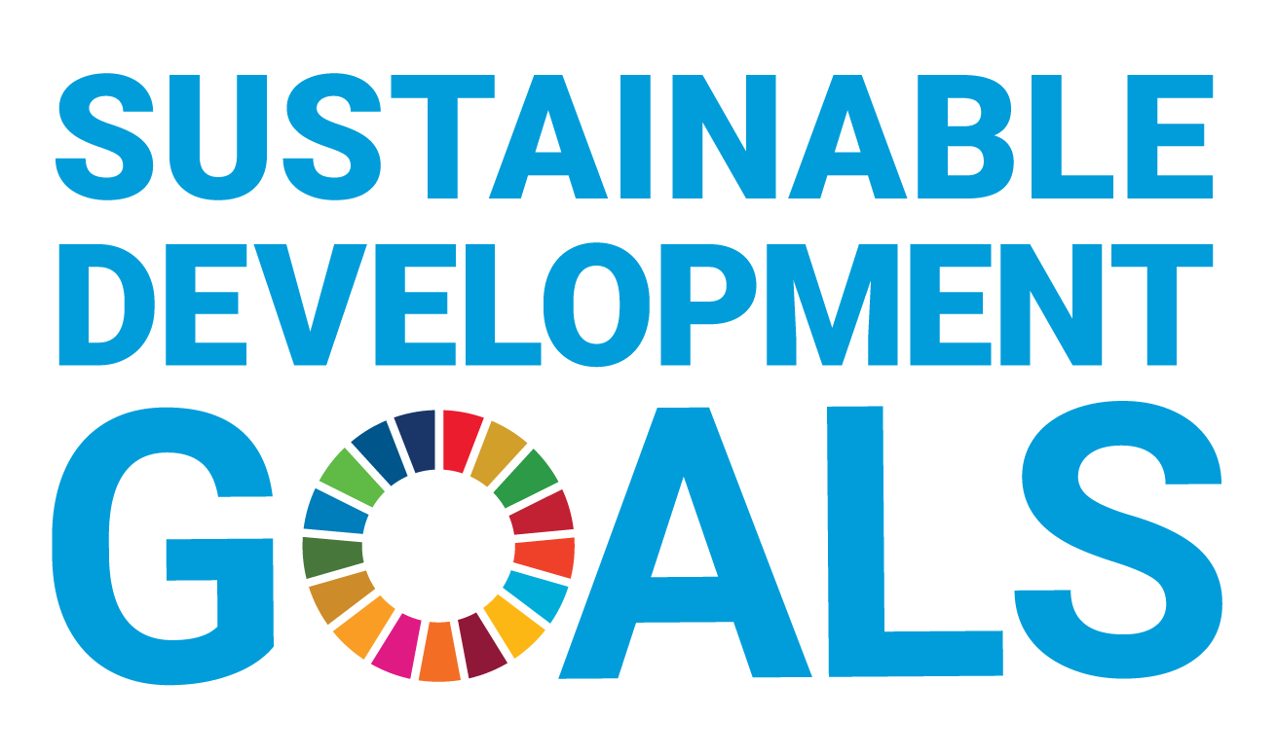

SDG 1
 | TOOL FOR IDENTIFICATION OF CONTRIBUTIONS TO THE SDG
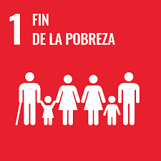 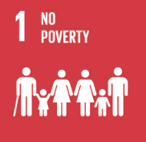 | Project name |  | 0 | Project ID |  | 0 | Project stage | 0
 | Project type |  | 0 | Project activity |  | 0 | Methodology | 0
 | Verification period |  | From | 2025-05-10 |  | Until | 2026-05-10
SDG 1 END POVERTY
Goal | Indicator proposed by the 2030 Agenda | Monitoring indicator (COLCX Adaptation) | Activity description | Unit of measurement | Monitoring frequency | Baseline | With project | Documentary support
1.1 By 2030, eradicate extreme poverty for all people everywhere, currently measured as people living on less than $1.25 a day | 1.1.1 Proportion of the population living below the international poverty line by sex, age, employment status and geographic location (urban/rural) | Proportion of households involved with the project that have an income of less than $1.25 USD/day. |  | %
1.2 By 2030, reduce at least by half the proportion of men, women and children of all ages living in poverty in all its dimensions according to national definitions | 1.2.1 Proportion of population living below the national poverty line, by sex and age | Proportion of families involved with the project living below the national poverty line. |  | %
1.3 Implement nationally appropriate social protection systems and measures for all, including floors, and by 2030 achieve substantial coverage of the poor and the vulnerable | 1.3.1 Proportion of population covered by social protection floors/systems, by sex, distinguishing children, unemployed persons, older persons, persons with disabilities, pregnant women, newborns, work-injury victims and the poor and the vulnerable | Proportion of households with access to healthcare services, disaggregated by gender, age group, and employment status. |  | %
1.4 By 2030, ensure that all men and women, in particular the poor and the vulnerable, have equal rights to economic resources, as well as access to basic services, ownership and control over land and other forms of property, inheritance, natural resources, appropriate new technology and financial services, including microfinance | 1.4.1 Proportion of population living in households with access to basic services | Proportion of families with access to basic services (housing, education, drinking water, access to roads and electricity) within the project area. |  | %
 | 1.4.2 Proportion of total adult population with secure tenure rights to land, (a) with legally recognized documentation, and (b) who perceive their rights to land as secure, by sex and type of tenure | Number of project participants with clearly defined land ownership |  | Number
1.5 By 2030, build the resilience of the poor and those in vulnerable situations and reduce their exposure and vulnerability to climate-related extreme events and other economic, social and environmental shocks and disasters | 1.5.4 Proportion of local governments that adopt and implement local disaster risk reduction strategies in line with national disaster risk reduction strategies | Number of strategies adopted by the project to prevent, mitigate or avoid risk in accordance with national risk reduction plans. |  | Number
1.a Ensure significant mobilization of resources from a variety of sources, including through enhanced development cooperation, in order to provide adequate and predictable means for developing countries, in particular least developed countries, to implement programmes and policies to end poverty in all its dimensions | 1.a.2 Proportion of total government spending on essential services (education, health and social protection) | Amount of money invested by the project for the provision of basic services (housing, education, drinking water, access to roads and electric power) annually |  | USD

SDG 2
 | TOOL FOR IDENTIFICATION OF CONTRIBUTIONS TO THE SDG´s
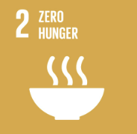 | Project name |  | 0 | Project ID |  | 0 | Project stage | 0
 | Project type |  | 0 | Project activity |  | 0 | Methodology | 0
 | Verification period |  | From | 2025-05-10 |  | Until | 2026-05-10
SDG 2 ZERO HUNGER
Goal | Indicator proposed by the 2030 Agenda | Monitoring indicator (COLCX Adaptation) | Activity description | Unit of measurement | Monitoring frequency | Baseline | With project | Documentary support
2.3 By 2030, double the agricultural productivity and incomes of small-scale food producers, in particular women, indigenous peoples, family farmers, pastoralists and fishers, including through secure and equal access to land, other productive resources and inputs, knowledge, financial services, markets and opportunities for value addition and non-farm employment | 2.3.1 Volume of production per labour unit by classes of farming/pastoral/forestry enterprise size | Production volume by activity (agriculture, livestock, forestry, etc.) that does not generate changes in land use. |  | Mass, volume or unit defined by activity
 | 2.3.2 Average income of small-scale food producers, by sex and indigenous status | Average income of small-scale farmers discriminated by ethnic group and gender |  | USD/Year
2.4 By 2030, ensure sustainable food production systems and implement resilient agricultural practices that increase productivity and production, that help maintain ecosystems, that strengthen capacity for adaptation to climate change, extreme weather, drought, flooding and other disasters and that progressively improve land and soil quality | 2.4.1 Proportion of agricultural area under productive and sustainable agriculture | Percentage of sustainably managed agricultural areas within the project area. |  | %
 |  | Changes in soil organic carbon due to the implementation of good resource management practices. |  | tCO2e
2.a Increase investment, including through enhanced international cooperation, in rural infrastructure, agricultural research and extension services, technology development and plant and livestock gene banks in order to enhance agricultural productive capacity in developing countries, in particular least developed countries | 2.a.2 Total official flows (official development assistance plus other official flows) to the agriculture sector | Investment made by the project to strengthen sustainable production activities. |  | USD
2.c Adopt measures to ensure the proper functioning of food commodity markets and their derivatives and facilitate timely access to market information, including on food reserves, in order to help limit extreme food price volatility | 2.c.1 Indicator of food price anomalies | Proportion of products arriving at destination without significant delays |  | %
 |  | Proportion of producers with access to sales outlets or marketing platforms |  | %

SDG 3
 | TOOL FOR IDENTIFICATION OF CONTRIBUTIONS TO THE SDG´s
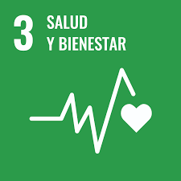 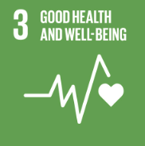 | Project name |  | 0 | Project ID |  | 0 | Project stage | 0
 | Project type |  | 0 | Project activity |  | 0 | Methodology | 0
 | Verification period |  | From | 2025-05-10 |  | Until | 2026-05-10
SDG 3 GOOD HEALTH AND WELL-BEING
Goal | Indicator proposed by the 2030 Agenda | Monitoring indicator (COLCX Adaptation) | Activity description | Unit of measurement | Monitoring frequency | Baseline | With project | Documentary support
3.1 By 2030, reduce the global maternal mortality ratio to less than 70 per 100,000 live births | 3.1.2 Proportion of births attended by skilled health personnel | Proportion of families within the project that have access to health services |  | %
3.3 By 2030, end the epidemics of AIDS, tuberculosis, malaria and neglected tropical diseases and combat hepatitis, water-borne diseases and other communicable diseases | 3.3.2 Tuberculosis incidence per 100,000 population | Number of people undergoing health treatment for serious or permanent illnesses |  | Number
3.5 Strengthen the prevention and treatment of substance abuse, including narcotic drug abuse and harmful use of alcohol | 3.5.1 Coverage of treatment interventions (pharmacological, psychosocial and rehabilitation and aftercare services) for substance use disorders | Number of people in rehabilitation programs |  | Number
3.7 By 2030, ensure universal access to sexual and reproductive health-care services, including for family planning, information and education, and the integration of reproductive health into national strategies and programmes | 3.7.1 Proportion of women of reproductive age (aged 15–49 years) who have their need for family planning satisfied with modern methods | Number of women using family planning methods |  | Number
 | 3.7.2 Adolescent birth rate (aged 10–14 years; aged 15–19 years) per 1,000 women in that age group | Adolescents between 10 and 14 years old pregnant during the monitoring period |  | Number
3.8 Achieve universal health coverage, including financial risk protection, access to quality essential health-care services and access to safe, effective, quality and affordable essential medicines and vaccines for all | 3.8.1 Coverage of essential health services | Percentage of families involved in the project with basic access to health services or affiliation to the health system |  | %
3.9 By 2030, substantially reduce the number of deaths and illnesses from hazardous chemicals and air, water and soil pollution and contamination | 3.9.1 Mortality rate attributed to household and ambient air pollution | Number of meetings to raise awareness about proper waste disposal |  | Number
3.b Support the research and development of vaccines and medicines for the communicable and non‑communicable diseases that primarily affect developing countries, provide access to affordable essential medicines and vaccines, in accordance with the Doha Declaration on the TRIPS Agreement and Public Health, which affirms the right of developing countries to use to the full the provisions in the Agreement on Trade-Related Aspects of Intellectual Property Rights regarding flexibilities to protect public health, and, in particular, provide access to medicines for all | 3.b.1 Proportion of the target population covered by all vaccines included in their national programme | Total number of people involved in the project who have a complete vaccination schedule in accordance with national guidelines |  | %
 | 3.b.2 Total net official development assistance to medical research and basic health sectors | Investment in medical assistance and health care |  | USD
 | 3.b.3 Proportion of health facilities that have a core set of relevant essential medicines available and affordable on a sustainable basis | Proportion of health facilities with a basic set of essential drugs available |  | %

SDG 4
 | TOOL FOR IDENTIFICATION OF CONTRIBUTIONS TO THE SDG
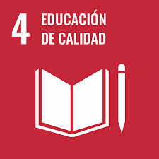 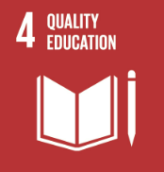 | Project name |  | 0 | Project ID |  | 0 | Project stage | 0
 | Project type |  | 0 | Project activity |  | 0 | Methodology | 0
 | Verification period |  | From | 2025-05-10 |  | Until | 2026-05-10
SDG 4 QUALITY EDUCATION
Goal | Indicator proposed by the 2030 Agenda | Monitoring indicator (COLCX Adaptation) | Activity description | Unit of measurement | Monitoring frequency | Baseline | With project | Documentary support
4.1 By 2030, ensure that all girls and boys complete free, equitable and quality primary and secondary education leading to relevant and effective learning outcomes | 4.1.1 Proportion of children and young people (a) in grades 2/3; (b) at the end of primary; and (c) at the end of lower secondary achieving at least a minimum proficiency level in (i) reading and (ii) mathematics, by sex | Proportion of children attending education centers |  | %
4.3 By 2030, ensure equal access for all women and men to affordable and quality technical, vocational and tertiary education, including university | 4.3.1 Participation rate of youth and adults in formal and non-formal education and training in the previous 12 months, by sex | Total number of young people and adults involved in formal education processes, broken down by gender |  | Number
 |  | Total number of young people and adults involved in non-formal education processes, broken down by gender |  | Number
4.4 By 2030, substantially increase the number of youth and adults who have relevant skills, including technical and vocational skills, for employment, decent jobs and entrepreneurship | 4.4.1 Proportion of youth and adults with information and communications technology (ICT) skills, by type of skill | Average hours of education or training of the actors involved in the project by role within the respective organization |  | Number
 |  | Number of people involved in the project who have undergone capacity building processes in their area of work |  | Number
4.6 By 2030, ensure that all youth and a substantial proportion of adults, both men and women, achieve literacy and numeracy | 4.6.1 Proportion of population in a given age group achieving at least a fixed level of proficiency in functional (a) literacy and (b) numeracy skills, by sex | Proportion of communities involved in the project that have literacy and mathematics skills discriminated by gender |  | %
4.7 By 2030, ensure that all learners acquire the knowledge and skills needed to promote sustainable development, including, among others, through education for sustainable development and sustainable lifestyles, human rights, gender equality, promotion of a culture of peace and non-violence, global citizenship and appreciation of cultural diversity and of culture’s contribution to sustainable development | 4.7.1 Extent to which (i) global citizenship education and (ii) education for sustainable development, including gender equality and human rights, are mainstreamed at all levels in (a) national education policies; (b) curricula; (c) teacher education; and (d) student assessment | Number of training opportunities related to sustainability, gender equality, safeguards, climate change or other relevant topics within the framework of the 2030 Agenda |  | Number
4.a Build and upgrade education facilities that are child, disability and gender sensitive and provide safe, non-violent, inclusive and effective learning environments for all | 4.a.1 Proportion of schools with access to (a) electricity; (b) the Internet for pedagogical purposes; (c) computers for pedagogical purposes; (d) adapted infrastructure and materials for students with disabilities; (e) basic drinking water; (f) single-sex basic sanitation facilities; and (g) basic handwashing facilities (as per the WASH indicator definitions) | Proportion of educational facilities with access to water, energy and sanitation |  | Number
4.b By 2020, substantially expand globally the number of scholarships available to developing countries, in particular least developed countries, small island developing States and African countries, for enrolment in higher education, including vocational training and information and communications technology, technical, engineering and scientific programmes, in developed countries and other developing countries | 4.b.1 Volume of official development assistance flows for scholarships by sector and type of study | Investment made to strengthen educational processes within the project area |  | USD
4.c By 2030, substantially increase the supply of qualified teachers, including through international cooperation for teacher training in developing countries, especially least developed countries and small island developing States | 4.c.1 Proportion of teachers in: (a) pre-primary; (b) primary; (c) lower secondary; and (d) upper secondary education who have received at least the minimum organized teacher training (e.g. pedagogical training) pre-service or in-service required for teaching at the relevant level in a given country | Proportion of teachers with adequate pedagogical training |  | Number

SDG 5
 | TOOL FOR IDENTIFICATION OF CONTRIBUTIONS TO THE SDG
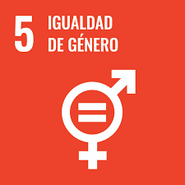 | Project name |  | 0 | Project ID |  | 0 | Project stage | 0
 | Project type |  | 0 | Project activity |  | 0 | Methodology | 0
 | Verification period |  | From | 2025-05-10 |  | Until | 2026-05-10
SDG 5 GENDER EQUALITY
Goal | Indicator proposed by the 2030 Agenda | Monitoring indicator (COLCX Adaptation) | Activity description | Unit of measurement | Monitoring frequency | Baseline | With project | Documentary support
5.1 End all forms of discrimination against all women and girls everywhere | 5.1.1 Whether or not legal frameworks are in place to promote, enforce and monitor equality and non‑discrimination on the basis of sex | Number of government guidelines or policies per community to avoid discrimination based on sex |  | Number
5.4 Recognize and value unpaid care and domestic work through the provision of public services, infrastructure and social protection policies and the promotion of shared responsibility within the household and the family as nationally appropriate | 5.4.1 Proportion of time spent on unpaid domestic and care work, by sex, age and location | Number of women in formal employment |  | Number
 |  | Number of women with non-formal employment |  | Number
 |  | Comparison between the basic salary for men and women involved in the project, the existing difference between the salary ratio discriminated by gender in Dollars must be obtained |  | Ratio
5.5 Ensure women’s full and effective participation and equal opportunities for leadership at all levels of decision-making in political, economic and public life | 5.5.1 Proportion of seats held by women in (a) national parliaments and (b) local governments | Proportion of women who serve as community representatives at the municipal and departmental levels with respect to the total number of community leaders |  | %
 | 5.5.2 Proportion of women in managerial positions | Proportion of women with respect to the total number of project stakeholders with decision-making positions in the initiative, broken down by age group |  | %
5.a Undertake reforms to give women equal rights to economic resources, as well as access to ownership and control over land and other forms of property, financial services, inheritance and natural resources, in accordance with national laws | 5.a.1 (a) Proportion of total agricultural population with ownership or secure rights over agricultural land, by sex; and (b) share of women among owners or rights-bearers of agricultural land, by type of tenure | Number of properties with defined land titling |  | Number
5.b Enhance the use of enabling technology, in particular information and communications technology, to promote the empowerment of women | 5.b.1 Proportion of individuals who own a mobile telephone, by sex | Number of people involved in the project who have cellular telephony with connectivity discriminated by gender |  | Number
5.c Adopt and strengthen sound policies and enforceable legislation for the promotion of gender equality and the empowerment of all women and girls at all levels | 5.c.1 Proportion of countries with systems to track and make public allocations for gender equality and women’s empowerment | Number of women in managerial or decision-making positions |  | Number

SDG 6
 | TOOL FOR IDENTIFICATION OF CONTRIBUTIONS TO THE SDG´s
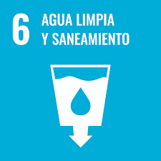 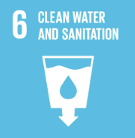 | Project name |  | 0 | Project ID |  | 0
 | Project type |  | 0 | Project activity |  | 0
 | Verification period |  | From | 2025-05-10 |  | Until
SDG 6 CLEAN WATER AND SANITATION
Goal | Indicator proposed by the 2030 Agenda | Monitoring indicator (COLCX Adaptation) | Activity description | Unit of measurement | Monitoring frequency | Baseline
6.1 By 2030, achieve universal and equitable access to safe and affordable drinking water for all | 6.1.1 Proportion of population using safely managed drinking water services | Percentage of families involved in the project that have access to safe water sources in terms of accessibility, availability, and quality |  | %
6.2 By 2030, achieve access to adequate and equitable sanitation and hygiene for all and end open defecation, paying special attention to the needs of women and girls and those in vulnerable situations | 6.2.1 Proportion of population using (a) safely managed sanitation services and (b) a hand-washing facility with soap and water | Proportion of families involved in the project that have access to safe and quality basic sanitation |  | %
 |  | Proportion of households involved in the project with access to handwashing systems with soap and constant water flow |  | %
6.3 By 2030, improve water quality by reducing pollution, eliminating dumping and minimizing release of hazardous chemicals and materials, halving the proportion of untreated wastewater and substantially increasing recycling and safe reuse globally | 6.3.1 Proportion of wastewater safely treated | Amount of industrial or domestic wastewater treated in an adequate system avoiding direct discharge to ecosystems or water bodies |  | m3
 |  | Percentage of water recycled, recirculated or reused by rainwater or other circularity systems |  | %
6.4 By 2030, substantially increase water-use efficiency across all sectors and ensure sustainable withdrawals and supply of freshwater to address water scarcity and substantially reduce the number of people suffering from water scarcity | 6.4.1 Change in water-use efficiency over time | m3 of water consumed per production unit (ha, kg, head of cattle, etc.) |  | m3
...

SDG 7
 | TOOL FOR IDENTIFICATION OF CONTRIBUTIONS TO THE SDG´s
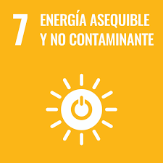 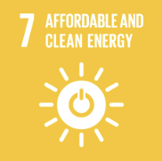 | Project name |  | 0 | Project ID |  | 0
 | Project type |  | 0 | Project activity |  | 0
 | Verification period |  | From | 2025-05-10 |  | Until
SDG 7 AFFORDABLE AND CLEAN ENERGY
Goal | Indicator proposed by the 2030 Agenda | Monitoring indicator (COLCX Adaptation) | Activity description | Unit of measurement | Monitoring frequency | Baseline
7.1 By 2030, ensure universal access to affordable, reliable and modern energy services | 7.1.1 Proportion of population with access to electricity | Number of families involved in the project that have access to energy sources for domestic, agricultural or conservation activities |  | Number
 | 7.1.2 Proportion of population with primary reliance on clean fuels and technology | Amount of non-fossil fuel consumed annually for domestic, agricultural, operational or conservation activities |  | %
7.2 By 2030, increase substantially the share of renewable energy in the global energy mix | 7.2.1 Renewable energy share in the total final energy consumption | kWh of renewable energy consumed in the project area over total consumption |  | kWh
7.b By 2030, expand infrastructure and upgrade technology for supplying modern and sustainable energy services for all in developing countries, in particular least developed countries, small island developing States and landlocked developing countries, in accordance with their respective programmes of support | 7.b.1 Installed renewable energy-generating capacity in developing countries (in watts per capita) | Proportion of kWh supplied by renewable energy sources such as hydroelectric, photovoltaic, biofuels, biogas, wind, marine, geothermal or from waste |  | %

SDG 8
 | TOOL FOR IDENTIFICATION OF CONTRIBUTIONS TO THE SDG
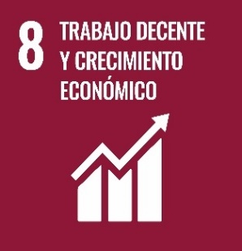 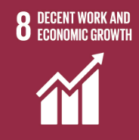 | Project name |  | 0 | Project ID |  | 0
 | Project type |  | 0 | Project activity |  | 0
 | Verification period |  | From | 2025-05-10 |  | Until
SDG 8 DECENT WORK AND ECONOMIC GROWTH
Goal | Indicator proposed by the 2030 Agenda | Monitoring indicator (COLCX Adaptation) | Activity description | Unit of measurement | Monitoring frequency | Baseline
8.3 Promote development-oriented policies that support productive activities, decent job creation, entrepreneurship, creativity and innovation, and encourage the formalization and growth of micro-, small- and medium-sized enterprises, including through access to financial services | 8.3.1 Proportion of informal employment in non‑agriculture employment, by sex | Number of people with non-formal employment not related to agricultural activities discriminated by sex |  | Number
8.5 By 2030, achieve full and productive employment and decent work for all women and men, including for young people and persons with disabilities, and equal pay for work of equal value | 8.5.1 Average hourly earnings of employees, by sex, age, occupation and persons with disabilities | Average increase in the annual salary of the people involved in the project |  | USD/año (promedio)
 |  | Number of active people linked to the project in formal jobs with an average daily income above the current legal minimum wage |  | Number
 |  | Percentage of people affiliated to the health system, voluntary savings for old age, ARL or compensation fund as a result of the development and implementation of the project |  | %
 | 8.5.2 Unemployment rate, by sex, age and persons with disabilities | Number of new direct jobs generated as a result of project development and implementation |  | Number
 |  | Number of new indirect jobs created as a result of the development and implementation of the project |  | Number
...

SDG 9
 | TOOL FOR IDENTIFICATION OF CONTRIBUTIONS TO THE SDG´s
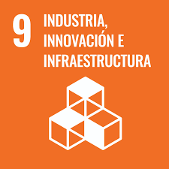 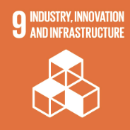 | Project name |  | 0 | Project ID |  | 0
 | Project type |  | 0 | Project activity |  | 0
 | Verification period |  | From | 2025-05-10 |  | Until
SDG 9 INDUSTRY, INNOVATION AND INFRASTRUCTURE
Goal | Indicator proposed by the 2030 Agenda | Monitoring indicator (COLCX Adaptation) | Activity description | Unit of measurement | Monitoring frequency | Baseline
9.1 Develop quality, reliable, sustainable and resilient infrastructure, including regional and transborder infrastructure, to support economic development and human well-being, with a focus on affordable and equitable access for all | 9.1.1 Proportion of the rural population who live within 2 km of an all-season road | Number of investments for community access improvements |  | USD
9.2 Promote inclusive and sustainable industrialization and, by 2030, significantly raise industry’s share of employment and gross domestic product, in line with national circumstances, and double its share in least developed countries | 9.2.2 Manufacturing employment as a proportion of total employment | Quantity of manufacturing infrastructure for the generation of goods or services |  | Number of projects
9.3 Increase the access of small-scale industrial and other enterprises, in particular in developing countries, to financial services, including affordable credit, and their integration into value chains and markets | 9.3.1 Proportion of small-scale industries in total industry value added | Quantity of industrial infrastructure for the generation of goods or services |  | Number of projects
9.4 By 2030, upgrade infrastructure and retrofit industries to make them sustainable, with increased resource-use efficiency and greater adoption of clean and environmentally sound technologies and industrial processes, with all countries taking action in accordance with their respective capabilities | 9.4.1 CO2 emission per unit of value added | CO2e emissions generated by project activities |  | tCO2e
9.5 Enhance scientific research, upgrade the technological capabilities of industrial sectors in all countries, in particular developing countries, including, by 2030, encouraging innovation and substantially increasing the number of research and development workers per 1 million people and public and private research and development spending | 9.5.1 Research and development expenditure as a proportion of GDP | Investment in research and development within the project |  | USD
 | 9.5.2 Researchers (in full-time equivalent) per million inhabitants | Number of research products obtained |  | Number
...

SDG 10
 | TOOL FOR IDENTIFICATION OF CONTRIBUTIONS TO THE SDG´S
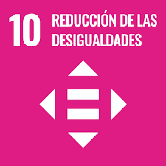 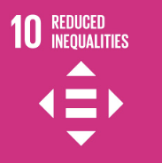 | Project name |  | 0 | Project ID |  | 0
 | Project type |  | 0 | Project activity |  | 0
 | Verification period |  | From | 2025-05-10 |  | Until
SDG 10 REDUCED INEQUALITIES
Goal | Indicator proposed by the 2030 Agenda | Monitoring indicator (COLCX Adaptation) | Activity description | Unit of measurement | Monitoring frequency | Baseline
10.2 By 2030, empower and promote the social, economic and political inclusion of all, irrespective of age, sex, disability, race, ethnicity, origin, religion or economic or other status | 10.2.1 Proportion of people living below 50 per cent of median income, by sex, age and persons with disabilities | Number of families living with an income below 50% of the national median |  | Number
10.3 Ensure equal opportunity and reduce inequalities of outcome, including by eliminating discriminatory laws, policies and practices and promoting appropriate legislation, policies and action in this regard | 10.3.1 Proportion of population reporting having personally felt discriminated against or harassed in the previous 12 months on the basis of a ground of discrimination prohibited under international human rights law | Number of PCCs resolved due to discrimination or harassment at work or in the workplace |  | Number
10.b Encourage official development assistance and financial flows, including foreign direct investment, to States where the need is greatest, in particular least developed countries, African countries, small island developing States and landlocked developing countries, in accordance with their national plans and programmes | 10.b.1 Total resource flows for development, by recipient and donor countries and type of flow (e.g. official development assistance, foreign direct investment and other flows) | Investment made for the generation of development within the project area |  | USD

SDG 11
 | TOOL FOR IDENTIFICATION OF CONTRIBUTIONS TO THE SDG
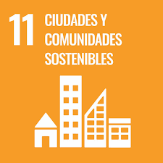 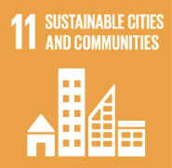 | Project name |  | 0 | Project ID |  | 0
 | Project type |  | 0 | Project activity |  | 0
 | Verification period |  | From | 2025-05-10 |  | Until
SDG 11 SUSTAINABLE CITIES AND COMMUNITIES
Goal | Indicator proposed by the 2030 Agenda | Monitoring indicator (COLCX Adaptation) | Activity description | Unit of measurement | Monitoring frequency | Baseline
11.1 By 2030, ensure access for all to adequate, safe and affordable housing and basic services and upgrade slums | 11.1.1 Proportion of urban population living in slums, informal settlements or inadequate housing | Square meters intervened as a result of the development or implementation of the housing project and its improvement |  | m2
11.2 By 2030, provide access to safe, affordable, accessible and sustainable transport systems for all, improving road safety, notably by expanding public transport, with special attention to the needs of those in vulnerable situations, women, children, persons with disabilities and older persons | 11.2.1 Proportion of population that has convenient access to public transport, by sex, age and persons with disabilities | Number of families with means of transportation within the project area |  | Number
11.3 By 2030, enhance inclusive and sustainable urbanization and capacity for participatory, integrated and sustainable human settlement planning and management in all countries | 11.3.1 Ratio of land consumption rate to population growth rate | Area allocated for sustainable agriculture within the project |  | Ha
 | 11.3.2 Proportion of cities with a direct participation structure of civil society in urban planning and management that operate regularly and democratically | Number of people involved in decision making on territorial planning and development |  | Number
11.4 Strengthen efforts to protect and safeguard the world’s cultural and natural heritage | 11.4.1 Total expenditure (public and private) per capita spent on the preservation, protection and conservation of all cultural and natural heritage, by type of heritage (cultural, natural, mixed and World Heritage Centre designation), level of government (national, regional and local/municipal), type of expenditure (operating expenditure/investment) and type of private funding (donations in kind, private non-profit sector and sponsorship) | Number of strategies implemented for the protection of cultural heritage by type |  | Number
11.6 By 2030, reduce the adverse per capita environmental impact of cities, including by paying special attention to air quality and municipal and other waste management | 11.6.1 Proportion of urban solid waste regularly collected and with adequate final discharge out of total urban solid waste generated, by cities | Quantity of solid waste sent to adequate final disposal (not incineration without energy recovery, burial, etc.) (kg) |  | Weight
...

SDG 12
 | TOOL FOR IDENTIFICATION OF CONTRIBUTIONS TO THE SDG
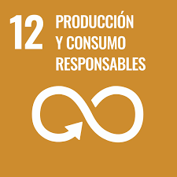 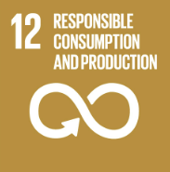 | Project name |  | 0 | Project ID |  | 0
 | Project type |  | 0 | Project activity |  | 0
 | Verification period |  | From | 2025-05-10 |  | Until
SDG 12 RESPONSIBLE CONSUMPTION AND PRODUCTION
Goal | Indicator proposed by the 2030 Agenda | Monitoring indicator (COLCX Adaptation) | Activity description | Unit of measurement | Monitoring frequency | Baseline
12.1 Implement the 10‑Year Framework of Programmes on Sustainable Consumption and Production Patterns, all countries taking action, with developed countries taking the lead, taking into account the development and capabilities of developing countries | 12.1.1 Number of countries developing, adopting or implementing policy instruments aimed at supporting the shift to sustainable consumption and production | Number of responsible production and consumption strategies implemented in the project area |  | Number
12.4 By 2020, achieve the environmentally sound management of chemicals and all wastes throughout their life cycle, in accordance with agreed international frameworks, and significantly reduce their release to air, water and soil in order to minimize their adverse impacts on human health and the environment | 12.4.2 Hazardous waste generated per capita and proportion of hazardous waste treated, by type of treatment | Reduction in the use of synthetic fertilizers in the project area |  | kg/ha
 |  | Reduction in pesticide use in the project area |  | kg/ha
12.5 By 2030, substantially reduce waste generation through prevention, reduction, recycling and reuse | 12.5.1 National recycling rate, tons of material recycled | Quantity of waste sent to circular disposal systems (recycled, reused, energy recovery, co-processing, recovery, etc.), it is necessary to discriminate by disposal method |  | kg
12.7 Promote public procurement practices that are sustainable, in accordance with national policies and priorities | 12.7.1 Degree of sustainable public procurement policies and action plan implementation | Number of guidelines defined for sustainable consumption and production |  | Number
12.8 By 2030, ensure that people everywhere have the relevant information and awareness for sustainable development and lifestyles in harmony with nature | 12.8.1 Extent to which (i) global citizenship education and (ii) education for sustainable development (including climate change education) are mainstreamed in (a) national education policies; (b) curricula; (c) teacher education; and (d) student assessment | Number of awareness-raising meetings focused on sustainability and environmental education topics |  | Number
...

SDG 13
 | HTOOL FOR IDENTIFICATION OF CONTRIBUTIONS TO THE SDG
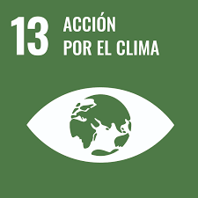 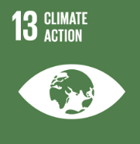 | Project name |  | 0 | Project ID |  | 0
 | Project type |  | 0 | Project activity |  | 0
 | Verification period |  | From | 2025-05-10 |  | Until
SDG 13 CLIMATE ACTION
Goal | Indicator proposed by the 2030 Agenda | Monitoring indicator (COLCX Adaptation) | Activity description | Unit of measurement | Monitoring frequency | Baseline
13.2 Integrate climate change measures into national policies, strategies and planning | 13.2.1 Number of countries that have communicated the establishment or operationalization of an integrated policy/strategy/plan which increases their ability to adapt to the adverse impacts of climate change, and foster climate resilience and low greenhouse gas emissions development in a manner that does not threaten food production (including a national adaptation plan, nationally determined contribution, national communication, biennial update report or other) | Amount of tCO2e removed within the project area during the monitoring period evaluated by reservoir |  | tCO2e/ha
 |  | Area planted |  | Ha
 |  | Area under conservation |  | Ha
 | 13.2.2 Total greenhouse gas emissions per year | Amount of tCO2e reduced in the project area during the monitoring period evaluated |  | tCO2e/ha
13.3 Improve education, awareness-raising and human and institutional capacity on climate change mitigation, adaptation, impact reduction and early warning | 13.3.1 Extent to which (i) global citizenship education and (ii) education for sustainable development are mainstreamed in (a) national education policies; (b) curricula; (c) teacher education; and (d) student assessment | Number of awareness-raising meetings focused on climate change mitigation, GHG mitigation projects or social and environmental safeguards |  | Number
 |  | Number of participants per meeting focused on climate change mitigation, GHG mitigation projects or socio-environmental safeguards |  | Number
...

SDG 14
 | HTOOL FOR IDENTIFICATION OF CONTRIBUTIONS TO THE SDG
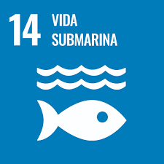 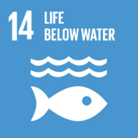 | Project name |  | 0 | Project ID |  | 0
 | Project type |  | 0 | Project activity |  | 0
 | Verification period |  | From | 2025-05-10 |  | Until
SDG 14 LIFE BELOW WATER
Goal | Indicator proposed by the 2030 Agenda | Monitoring indicator (COLCX Adaptation) | Activity description | Unit of measurement | Monitoring frequency | Baseline
14.2 By 2020, sustainably manage and protect marine and coastal ecosystems to avoid significant adverse impacts, including by strengthening their resilience, and take action for their restoration in order to achieve healthy and productive oceans | 14.2.1 Number of countries using ecosystem-based approaches to managing marine areas | Marine and coastal ecosystem protection strategies implemented in the project area |  | Number
14.4 By 2020, effectively regulate harvesting and end overfishing, illegal, unreported and unregulated fishing and destructive fishing practices and implement science-based management plans, in order to restore fish stocks in the shortest time feasible, at least to levels that can produce maximum sustainable yield as determined by their biological characteristics | 14.4.1 Proportion of fish stocks within biologically sustainable levels | Fish production based on sustainable management |  | kg
 |  | Number of awareness-raising activities on the responsible management of marine and fishery resources |  | Number
 |  | Participants in awareness-raising activities on responsible management of marine and fishery resources |  | Number
14.5 By 2020, conserve at least 10 per cent of coastal and marine areas, consistent with national and international law and based on the best available scientific information | 14.5.1 Coverage of protected areas in relation to marine areas | Protection areas declared at the initiative of the project |  | ha
14.6 By 2020, prohibit certain forms of fisheries subsidies which contribute to overcapacity and overfishing, eliminate subsidies that contribute to illegal, unreported and unregulated fishing and refrain from introducing new such subsidies, recognizing that appropriate and effective special and differential treatment for developing and least developed countries should be an integral part of the World Trade Organization fisheries subsidies negotiation3 | 14.6.1 Degree of implementation of international instruments aiming to combat illegal, unreported and unregulated fishing | Guidelines defined by the project to combat illegal fishing |  | Number
...

SDG 15
 | TOOL FOR IDENTIFICATION OF CONTRIBUTIONS TO THE SDG´s
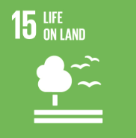 | Project name |  | 0 | Project ID |  | 0
 | Project type |  | 0 | Project activity |  | 0
 | Verification period |  | From | 2025-05-10 |  | Until
SDG 15 LIFE ON LAND
Goal | Indicator proposed by the 2030 Agenda | Monitoring indicator (COLCX Adaptation) | Activity description | Unit of measurement | Monitoring frequency | Baseline
15.1 By 2020, ensure the conservation, restoration and sustainable use of terrestrial and inland freshwater ecosystems and their services, in particular forests, wetlands, mountains and drylands, in line with obligations under international agreements | 15.1.1 Forest area as a proportion of total land area | Number of hectares of forest preserved within the project area |  | Hectares
 | 15.1.2 Proportion of important sites for terrestrial and freshwater biodiversity that are covered by protected areas, by ecosystem type | Number of hectares of forest preserved within the project area |  | Hectares
15.2 By 2020, promote the implementation of sustainable management of all types of forests, halt deforestation, restore degraded forests and substantially increase afforestation and reforestation globally | 15.2.1 Progress towards sustainable forest management | Number of hectares of sustainably managed forest within the project area |  | Hectares
 |  | Number of hectares in strategic ecosystems (mangroves, soils, moorlands, morichal forests, wetlands, etc.) managed in a sustainable manner |  | Hectares
 |  | Aboveground and belowground woody biomass within the project area |  | Tons
 |  | Total hectares afforested, reforested or restored |  | Hectares
...

SDG 16
 | HTOOL FOR IDENTIFICATION OF CONTRIBUTIONS TO THE SDG´S
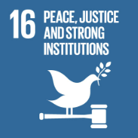 | Project name |  | 0 | Project ID |  | 0
 | Project type |  | 0 | Project activity |  | 0
 | Verification period |  | From | 2025-05-10 |  | Until
SDG 16 PEACE, JUSTICE AND STRONG INSTITUTIONS
Goal | Indicator proposed by the 2030 Agenda | Monitoring indicator (COLCX Adaptation) | Activity description | Unit of measurement | Monitoring frequency | Baseline
16.1 Significantly reduce all forms of violence and related death rates everywhere | 16.1.3 Proportion of population subjected to (a) physical violence, (b) psychological violence and (c) sexual violence in the previous 12 months | Number of strategies for the reduction of violence and abuse within the project area |  | Number
16.3 Promote the rule of law at the national and international levels and ensure equal access to justice for all | 16.3.1 Proportion of victims of violence in the previous 12 months who reported their victimization to competent authorities or other officially recognized conflict resolution mechanisms | Number of conflicts resolved through formal mechanisms within the project |  | Number
16.7 Ensure responsive, inclusive, participatory and representative decision-making at all levels | 16.7.1 Proportions of positions in national and local institutions, including (a) the legislatures; (b) the public service; and (c) the judiciary, compared to national distributions, by sex, age, persons with disabilities and population groups | Number of minorities that occupy administrative, political or leadership positions discriminated by gender
 | 16.7.2 Proportion of population who believe decision-making is inclusive and responsive, by sex, age, disability and population group | Generalized decision-making spaces carried out annually |  | Number
16.10 Ensure public access to information and protect fundamental freedoms, in accordance with national legislation and international agreements | 16.10.2 Number of countries that adopt and implement constitutional, statutory and/or policy guarantees for public access to information | People with frequent access to project information |  | Number
 |  | Information dissemination mechanisms implemented |  | Number
...

SDG 17
 | TOOL FOR IDENTIFICATION OF CONTRIBUTIONS TO THE SDG´s
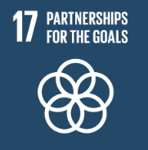 | Project name |  | 0 | Project ID |  | 0
 | Project type |  | 0 | Project activity |  | 0
 | Verification period |  | From | 2025-05-10 |  | Until
SDG 17 PARTNERSHIPS FOR THE GOALS
Goal | Indicator proposed by the 2030 Agenda | Monitoring indicator (COLCX Adaptation) | Activity description | Unit of measurement | Monitoring frequency | Baseline
17.6 Enhance North-South, South-South and triangular regional and international cooperation on and access to science, technology and innovation and enhance knowledge-sharing on mutually agreed terms, including through improved coordination among existing mechanisms, in particular at the United Nations level, and through a global technology facilitation mechanism | 17.6.1 Fixed Internet broadband subscriptions per 100 inhabitants, by speed | Number of people and/or infrastructure with stable internet connection as a result of project implementation |  | Number
17.8 Fully operationalize the technology bank and science, technology and innovation capacity-building mechanism for least developed countries by 2017 and enhance the use of enabling technology, in particular information and communications technology | 17.8.1 Proportion of individuals using the Internet | Proportion of households with internet access within the project area |  | %
17.14 Enhance policy coherence for sustainable development | 17.14.1 Number of countries with mechanisms in place to enhance policy coherence of sustainable development | Guidelines and strategies implemented for the generation of a sustainable development model |  | Number

